Sheet1
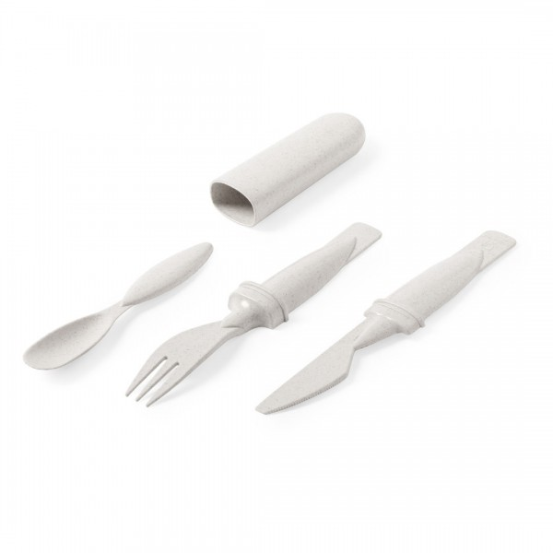
Picture | Item code | Description | Extra information | Restriction | Stock | Sales price EXW | Retail price | Barcode | Quantity PU | Quantity pallet | Pallet | Origin | Customs code | Item weight | Languages on package | Group
 | S-10153 | set of cutlery HARTUL natural, 17.7x2.2x3.1 | 6547013000 | no sales in europe | 16577 | 0.29 |  |  | 400 | 12000 |  | CN | 39241000 | 35 |  | set of cutlery HARTUL natural

